sources
Regression equations from Kimmerer et al. (2009) |  |  | Months from Kimmerer (2002)

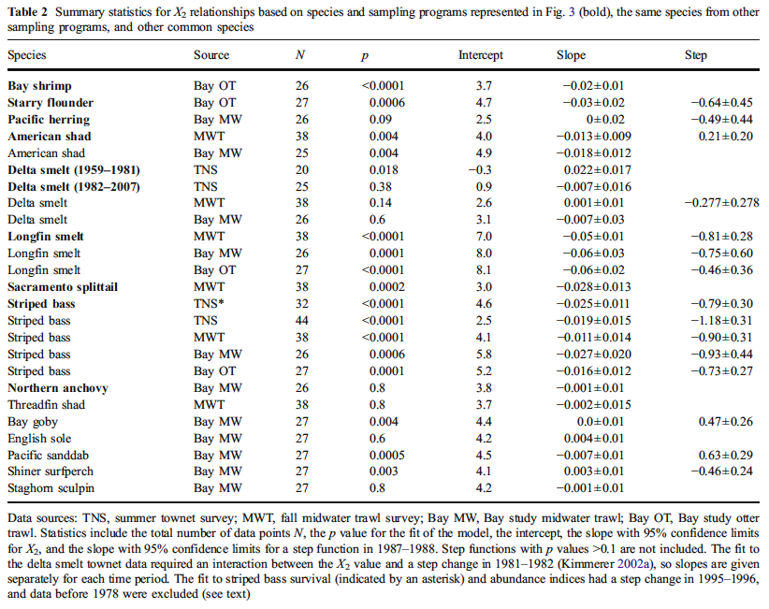

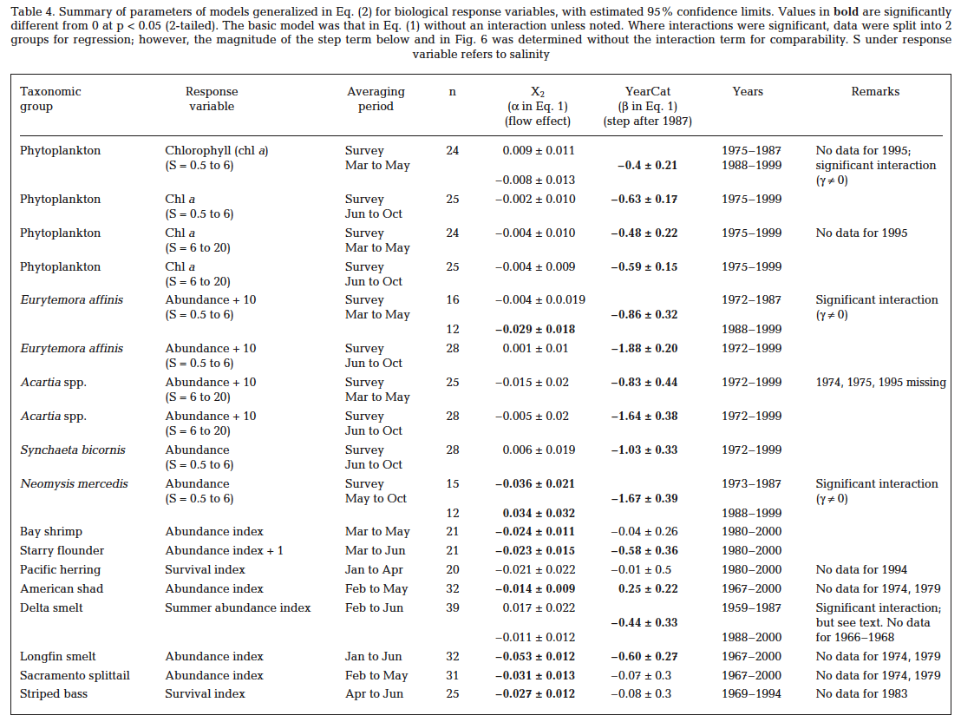

1/3/2018, Marin Greenwood

The X2 data came from: | MultStyMonthlyCompare_revPP_currentWYT_st1_st2_122517_noDSS.xlsm

This workbook pertains to: |  | Alt4A_Stage2

